Daily Power Station Chart_14-01
Plant_05/07/2025Chart

Plant:odco1 |  |  | Installed Capacity:111.180kWp
Today Yield(kWh):615.200kWh |  | Today Earning:246080.000TND |  | Today Full Load Hours(h):5.53h

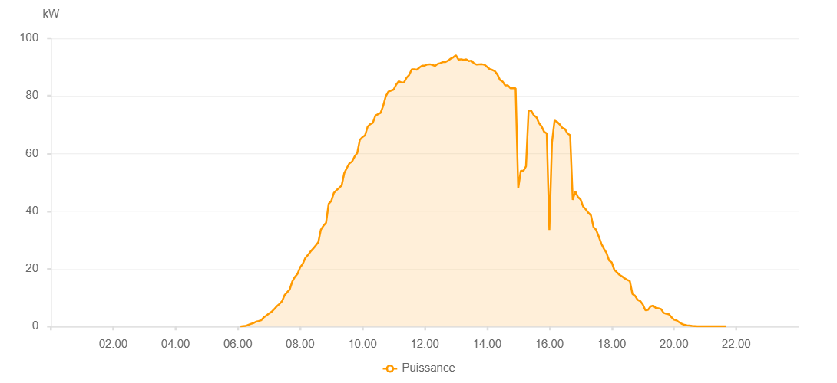

Number | Time | Working State | PV(W) | Instantaneous Radiation(W/㎡)
1 | 06:05:00 | Online | 20.00000 | 0
2 | 06:10:00 | Online | 110.00000 | 0
3 | 06:15:00 | Online | 180.00000 | 0
4 | 06:20:00 | Online | 550.00000 | 1.00000
5 | 06:25:00 | Online | 900.00000 | 4.00000
6 | 06:30:00 | Online | 1190.00000 | 9.00000
7 | 06:35:00 | Online | 1660.00000 | 12.00000
8 | 06:40:00 | Online | 1880.00000 | 15.00000
9 | 06:45:00 | Online | 2170.00000 | 20.00000
10 | 06:50:00 | Online | 3170.00000 | 29.00000
11 | 06:55:00 | Online | 3800.00000 | 38.00000
12 | 07:00:00 | Online | 4510.00000 | 48.00000
13 | 07:05:00 | Online | 5090.00000 | 61.00000
14 | 07:10:00 | Online | 5990.00000 | 73.00000
15 | 07:15:00 | Online | 7000.00000 | 87.00000
16 | 07:20:00 | Online | 7810.00000 | 101.00000
17 | 07:25:00 | Online | 8720.00000 | 116.00000
18 | 07:30:00 | Online | 10850.00000 | 133.00000
19 | 07:35:00 | Online | 11860.00000 | 149.00000
20 | 07:40:00 | Online | 12870.00000 | 163.00000
21 | 07:45:00 | Online | 15660.00000 | 182.00000
22 | 07:50:00 | Online | 17220.00000 | 198.00000
23 | 07:55:00 | Online | 18290.00000 | 217.00000
24 | 08:00:00 | Online | 20500.00000 | 234.00000
25 | 08:05:00 | Online | 21700.00000 | 252.00000
26 | 08:10:00 | Online | 23790.00000 | 270.00000
27 | 08:15:00 | Online | 24800.00000 | 289.00000
28 | 08:20:00 | Online | 26000.00000 | 307.00000
29 | 08:25:00 | Online | 26990.00000 | 326.00000
30 | 08:30:00 | Online | 28080.00000 | 343.00000
31 | 08:35:00 | Online | 29230.00000 | 363.00000
32 | 08:40:00 | Online | 33590.00000 | 381.00000
33 | 08:45:00 | Online | 34990.00000 | 400.00000
34 | 08:50:00 | Online | 36010.00000 | 418.00000
35 | 08:55:00 | Online | 42570.00000 | 434.00000
36 | 09:00:00 | Online | 43560.00000 | 452.00000
37 | 09:05:00 | Online | 46340.00000 | 472.00000
38 | 09:10:00 | Online | 47290.00000 | 489.00000
39 | 09:15:00 | Online | 48050.00000 | 508.00000
40 | 09:20:00 | Online | 48930.00000 | 525.00000
41 | 09:25:00 | Online | 53190.00000 | 544.00000
42 | 09:30:00 | Online | 55020.00000 | 559.00000
43 | 09:35:00 | Online | 56630.00000 | 574.00000
44 | 09:40:00 | Online | 57230.00000 | 593.00000
45 | 09:45:00 | Online | 58980.00000 | 608.00000
46 | 09:50:00 | Online | 60220.00000 | 623.00000
47 | 09:55:00 | Online | 64750.00000 | 645.00000
48 | 10:00:00 | Online | 65710.00000 | 657.00000
49 | 10:05:00 | Online | 66310.00000 | 677.00000
50 | 10:10:00 | Online | 69300.00000 | 689.00000
51 | 10:15:00 | Online | 70190.00000 | 702.00000
52 | 10:20:00 | Online | 70670.00000 | 718.00000
53 | 10:25:00 | Online | 73210.00000 | 728.00000
54 | 10:30:00 | Online | 73680.00000 | 743.00000
55 | 10:35:00 | Online | 74100.00000 | 747.00000
56 | 10:40:00 | Online | 76560.00000 | 757.00000
57 | 10:45:00 | Online | 79930.00000 | 773.00000
58 | 10:50:00 | Online | 81470.00000 | 785.00000
59 | 10:55:00 | Online | 81860.00000 | 803.00000
60 | 11:00:00 | Online | 82180.00000 | 812.00000
61 | 11:05:00 | Online | 83910.00000 | 817.00000
62 | 11:10:00 | Online | 85110.00000 | 831.00000
63 | 11:15:00 | Online | 84660.00000 | 841.00000
64 | 11:20:00 | Online | 84710.00000 | 836.00000
65 | 11:25:00 | Online | 86310.00000 | 851.00000
66 | 11:30:00 | Online | 87290.00000 | 868.00000
67 | 11:35:00 | Online | 89260.00000 | 876.00000
68 | 11:40:00 | Online | 89230.00000 | 884.00000
69 | 11:45:00 | Online | 89120.00000 | 887.00000
70 | 11:50:00 | Online | 89880.00000 | 890.00000
71 | 11:55:00 | Online | 90470.00000 | 898.00000
72 | 12:00:00 | Online | 90520.00000 | 899.00000
73 | 12:05:00 | Online | 90920.00000 | 909.00000
74 | 12:10:00 | Online | 90990.00000 | 917.00000
75 | 12:15:00 | Online | 90760.00000 | 913.00000
76 | 12:20:00 | Online | 90390.00000 | 907.00000
77 | 12:25:00 | Online | 91130.00000 | 904.00000
78 | 12:30:00 | Online | 91370.00000 | 920.00000
79 | 12:35:00 | Online | 91750.00000 | 917.00000
80 | 12:40:00 | Online | 91770.00000 | 919.00000
81 | 12:45:00 | Online | 92240.00000 | 922.00000
82 | 12:50:00 | Online | 92930.00000 | 922.00000
83 | 12:55:00 | Online | 93410.00000 | 925.00000
84 | 13:00:00 | Online | 94100.00000 | 926.00000
85 | 13:05:00 | Online | 92610.00000 | 923.00000
86 | 13:10:00 | Online | 92720.00000 | 918.00000
87 | 13:15:00 | Online | 92490.00000 | 918.00000
88 | 13:20:00 | Online | 92690.00000 | 911.00000
89 | 13:25:00 | Online | 92110.00000 | 910.00000
90 | 13:30:00 | Online | 92260.00000 | 908.00000
91 | 13:35:00 | Online | 91270.00000 | 905.00000
92 | 13:40:00 | Online | 90870.00000 | 897.00000
93 | 13:45:00 | Online | 90970.00000 | 893.00000
94 | 13:50:00 | Online | 91000.00000 | 886.00000
95 | 13:55:00 | Online | 90820.00000 | 884.00000
96 | 14:00:00 | Online | 90110.00000 | 882.00000
97 | 14:05:00 | Online | 89310.00000 | 875.00000
98 | 14:10:00 | Online | 89030.00000 | 865.00000
99 | 14:15:00 | Online | 88580.00000 | 856.00000
100 | 14:20:00 | Online | 87410.00000 | 848.00000
101 | 14:25:00 | Online | 85520.00000 | 841.00000
102 | 14:30:00 | Online | 84970.00000 | 827.00000
103 | 14:35:00 | Online | 83630.00000 | 822.00000
104 | 14:40:00 | Online | 83650.00000 | 807.00000
105 | 14:45:00 | Online | 82670.00000 | 798.00000
106 | 14:50:00 | Online | 82670.00000 | 788.00000
107 | 14:55:00 | Online | 82670.00000 | 788.00000
108 | 15:00:00 | Online | 47940.00000 | 788.00000
109 | 15:05:00 | Online | 54010.00000 | 788.00000
110 | 15:10:00 | Online | 54010.00000 | 740.00000
111 | 15:15:00 | Online | 55610.00000 | 728.00000
112 | 15:20:00 | Online | 74940.00000 | 713.00000
113 | 15:25:00 | Online | 74820.00000 | 707.00000
114 | 15:30:00 | Online | 73320.00000 | 694.00000
115 | 15:35:00 | Online | 72640.00000 | 678.00000
116 | 15:40:00 | Online | 70540.00000 | 665.00000
117 | 15:45:00 | Online | 69400.00000 | 648.00000
118 | 15:50:00 | Online | 67540.00000 | 636.00000
119 | 15:55:00 | Online | 66980.00000 | 621.00000
120 | 16:00:00 | Online | 33530.00000 | 621.00000
121 | 16:05:00 | Online | 63820.00000 | 621.00000
122 | 16:10:00 | Online | 71480.00000 | 572.00000
123 | 16:15:00 | Online | 71000.00000 | 553.00000
124 | 16:20:00 | Online | 70100.00000 | 544.00000
125 | 16:25:00 | Online | 68930.00000 | 527.00000
126 | 16:30:00 | Online | 68530.00000 | 505.00000
127 | 16:35:00 | Online | 66970.00000 | 493.00000
128 | 16:40:00 | Online | 66370.00000 | 476.00000
129 | 16:45:00 | Online | 43960.00000 | 457.00000
130 | 16:50:00 | Online | 46910.00000 | 437.00000
131 | 16:55:00 | Online | 44920.00000 | 427.00000
132 | 17:00:00 | Online | 44120.00000 | 409.00000
133 | 17:05:00 | Online | 41630.00000 | 390.00000
134 | 17:10:00 | Online | 40660.00000 | 377.00000
135 | 17:15:00 | Online | 39470.00000 | 360.00000
136 | 17:20:00 | Online | 38610.00000 | 340.00000
137 | 17:25:00 | Online | 34460.00000 | 319.00000
138 | 17:30:00 | Online | 33560.00000 | 301.00000
139 | 17:35:00 | Online | 31300.00000 | 284.00000
140 | 17:40:00 | Online | 28780.00000 | 267.00000
141 | 17:45:00 | Online | 27020.00000 | 249.00000
142 | 17:50:00 | Online | 25570.00000 | 232.00000
143 | 17:55:00 | Online | 22950.00000 | 215.00000
144 | 18:00:00 | Online | 22280.00000 | 196.00000
145 | 18:05:00 | Online | 19730.00000 | 182.00000
146 | 18:10:00 | Online | 18830.00000 | 166.00000
147 | 18:15:00 | Online | 17940.00000 | 151.00000
148 | 18:20:00 | Online | 17380.00000 | 133.00000
149 | 18:25:00 | Online | 16700.00000 | 121.00000
150 | 18:30:00 | Online | 16180.00000 | 109.00000
151 | 18:35:00 | Online | 15770.00000 | 95.00000
152 | 18:40:00 | Online | 11290.00000 | 84.00000
153 | 18:45:00 | Online | 10660.00000 | 76.00000
154 | 18:50:00 | Online | 9270.00000 | 64.00000
155 | 18:55:00 | Online | 8820.00000 | 63.00000
156 | 19:00:00 | Online | 7620.00000 | 59.00000
157 | 19:05:00 | Online | 5650.00000 | 55.00000
158 | 19:10:00 | Online | 5800.00000 | 50.00000
159 | 19:15:00 | Online | 6970.00000 | 53.00000
160 | 19:20:00 | Online | 7250.00000 | 63.00000
161 | 19:25:00 | Online | 6450.00000 | 65.00000
162 | 19:30:00 | Online | 6320.00000 | 56.00000
163 | 19:35:00 | Online | 6080.00000 | 56.00000
164 | 19:40:00 | Online | 4750.00000 | 54.00000
165 | 19:45:00 | Online | 4430.00000 | 42.00000
166 | 19:50:00 | Online | 4260.00000 | 39.00000
167 | 19:55:00 | Online | 3290.00000 | 37.00000
168 | 20:00:00 | Online | 2350.00000 | 30.00000
169 | 20:05:00 | Online | 2120.00000 | 21.00000
170 | 20:10:00 | Online | 1470.00000 | 17.00000
171 | 20:15:00 | Online | 930.00000 | 15.00000
172 | 20:20:00 | Online | 580.00000 | 9.00000
173 | 20:25:00 | Online | 400.00000 | 6.00000
174 | 20:30:00 | Online | 340.00000 | 5.00000
175 | 20:35:00 | Online | 200.00000 | 3.00000
176 | 20:40:00 | Online | 160.00000 | 3.00000
177 | 20:45:00 | Online | 60.00000 | 2.00000
178 | 20:50:00 | Online | 40.00000 | 1.00000
179 | 20:55:00 | Online | 40.00000 | 0
180 | 21:00:00 | Online | 40.00000 | 0
181 | 21:05:00 | Online | 40.00000 | 0
182 | 21:10:00 | Online | 40.00000 | 0
183 | 21:15:00 | Online | 40.00000 | 0
184 | 21:20:00 | Online | 40.00000 | 0
185 | 21:25:00 | Online | 40.00000 | 0
186 | 21:30:00 | Online | 40.00000 | 0
187 | 21:35:00 | Online | 40.00000 | 0
188 | 21:40:00 | Online | 40.00000 | 0
189 | 22:00:00 | Online | 0.00001 | 0.00001

